Placements by Month
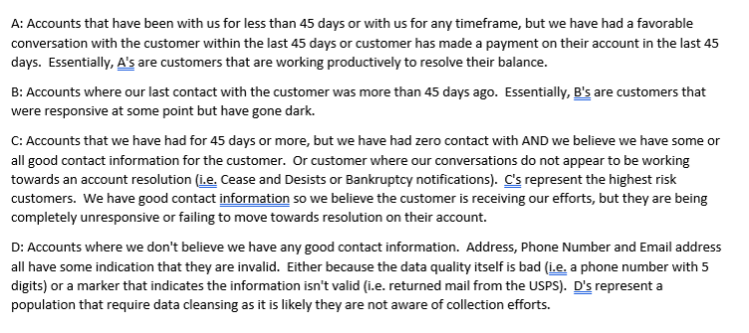
Month Assigned | Accounts | Original Assigned | Additional Charges | Total Assigned | Paid | Paid % | Credit | Credit % | Stop Amt | Stop Amt % | Resolved | Resolved % | $Exhausted | Exhausted % | Resolved & $Exhuasted % | Current Qty | $Current | At ARM Active Qty | At ARM Active | Total Assigned to ARM - Current & Active Qty | Total Assigned to ARM - Current & Active $ | Active % | Reconciliation
July 2022 | 20509 | $18,788,324.79 | $15,595,907.78 | $34,384,232.57 | $15,453,100.56 | 45% | $8,813,371.96 | 26% | $7,708,392.29 | 22% | $31,974,864.81 | 93% | $2,409,367.76 | 7% | 100% | 0 | $0.00 | 0 | $0.00 | 0 | $0.00 | 0% | $0.00
August 2022 | 17074 | $17,179,145.00 | $15,614,123.02 | $32,793,268.02 | $17,396,113.30 | 53% | $9,571,600.38 | 29% | $13,014,529.99 | 40% | $39,982,243.67 | 122% | -$7,188,975.65 | -22% | 100% | 0 | $0.00 | 0 | $0.00 | 0 | $0.00 | 0% | $0.00
October 2022 | 11170 | $28,477,925.51 | $14,867,034.40 | $43,344,959.91 | $16,028,052.46 | 37% | $8,792,314.63 | 20% | $10,996,488.13 | 25% | $35,816,855.22 | 83% | $7,528,104.69 | 17% | 100% | 0 | $0.00 | 0 | $0.00 | 0 | $0.00 | 0% | $0.00
November 2022 | 55127 | $37,375,679.94 | $15,948,854.77 | $53,324,534.71 | $12,033,644.48 | 23% | $12,048,748.55 | 23% | $26,404,025.47 | 50% | $50,486,418.50 | 95% | $2,838,116.21 | 5% | 100% | 0 | $0.00 | 0 | $0.00 | 0 | $0.00 | 0% | $0.00
December 2022 | 19338 | $54,261,574.25 | $24,186,244.23 | $78,447,818.48 | $19,945,525.71 | 25% | $20,026,334.97 | 26% | $24,045,770.75 | 31% | $64,017,631.43 | 82% | $14,425,312.06 | 18% | 100% | 0 | $0.00 | 2 | $4,874.99 | 2 | $4,874.99 | 0% | $0.00
January 2023 | 65069 | $42,119,796.45 | $21,072,236.46 | $63,192,032.91 | $16,545,067.39 | 26% | $19,154,977.12 | 30% | $23,137,983.37 | 37% | $58,838,027.88 | 93% | $4,340,720.53 | 7% | 100% | 0 | $0.00 | 1 | $13,284.50 | 1 | $13,284.50 | 0% | $0.00
February 2023 | 42050 | $30,494,291.84 | $10,886,196.97 | $41,380,488.81 | $17,799,528.22 | 43% | $6,870,042.29 | 17% | $12,348,291.46 | 30% | $37,017,861.97 | 89% | $4,354,581.02 | 11% | 100% | 0 | $0.00 | 4 | $8,045.82 | 4 | $8,045.82 | 0% | $0.00
March 2023 | 33394 | $32,148,217.40 | $8,768,688.57 | $40,916,905.97 | $15,189,751.20 | 37% | $4,950,034.68 | 12% | $15,032,064.02 | 37% | $35,171,849.90 | 86% | $5,740,653.38 | 14% | 100% | 0 | $0.00 | 2 | $4,402.69 | 2 | $4,402.69 | 0% | $0.00
April 2023 | 27467 | $21,603,864.83 | $3,621,708.08 | $25,225,572.91 | $6,102,409.52 | 24% | $1,726,053.44 | 7% | $12,251,800.83 | 49% | $20,080,263.79 | 80% | $5,145,309.12 | 20% | 100% | 0 | $0.00 | 0 | $0.00 | 0 | $0.00 | 0% | $0.00
May 2023 | 54763 | $44,851,809.26 | $11,297,337.06 | $56,149,146.32 | $16,597,827.01 | 30% | $7,572,460.69 | 13% | $12,268,692.45 | 22% | $36,438,980.15 | 65% | $19,710,166.17 | 35% | 100% | 0 | $0.00 | 0 | $0.00 | 0 | $0.00 | 0% | $0.00
June 2023 | 45049 | $33,337,803.22 | $9,382,861.35 | $42,720,664.57 | $16,403,998.23 | 38% | $6,063,611.92 | 14% | $10,141,029.16 | 24% | $32,608,639.31 | 76% | $10,086,750.95 | 24% | 100% | 5 | $699.29 | 13 | $24,575.02 | 18 | $25,274.31 | 0% | $0.00
July 2023 | 36968 | $37,793,741.19 | $12,968,629.02 | $50,762,370.21 | $20,132,967.72 | 40% | $8,303,642.82 | 16% | $11,449,768.91 | 23% | $39,886,379.45 | 79% | $10,753,095.37 | 21% | 100% | 4 | $53,082.48 | 44 | $69,812.91 | 48 | $122,895.39 | 0% | $0.00
August 2023 | 46585 | $45,812,717.87 | $15,912,429.43 | $61,725,147.30 | $25,424,663.79 | 41% | $8,150,573.74 | 13% | $13,173,887.32 | 21% | $46,749,124.85 | 76% | $14,618,460.00 | 24% | 99% | 51 | $14,833.08 | 202 | $342,729.37 | 253 | $357,562.45 | 1% | $0.00
September 2023 | 23462 | $23,306,631.23 | $7,070,833.25 | $30,377,464.48 | $11,373,829.32 | 37% | $3,922,486.83 | 13% | $7,353,990.39 | 24% | $22,650,306.54 | 75% | $7,693,090.40 | 25% | 100% | 4 | $891.58 | 37 | $33,175.96 | 41 | $34,067.54 | 0% | $0.00
October 2023 | 33741 | $32,131,172.26 | $9,009,645.86 | $41,140,818.12 | $14,902,764.89 | 36% | $3,741,189.96 | 9% | $13,618,443.42 | 33% | $32,262,398.27 | 78% | $8,585,160.77 | 21% | 99% | 27 | $9,023.77 | 156 | $284,235.31 | 183 | $293,259.08 | 1% | $0.00
November 2023 | 53095 | $33,666,244.69 | $23,728,381.48 | $57,394,626.17 | $30,782,238.11 | 54% | $7,578,748.86 | 13% | $5,486,984.08 | 10% | $43,847,971.05 | 76% | $10,258,792.64 | 19% | 94% | 3038 | $759,145.58 | 3882 | $2,528,716.90 | 6920 | $3,287,862.48 | 6% | $0.00
December 2023 | 112707 | $38,055,077.21 | $44,691,534.81 | $82,746,612.02 | $57,501,578.66 | 69% | $6,594,342.40 | 8% | $7,566,121.98 | 9% | $71,662,043.04 | 87% | $891,244.40 | 9% | 88% | 18821 | $6,150,436.10 | 4940 | $4,042,888.48 | 23761 | $10,193,324.58 | 12% | $0.00
January 2024 | 58112 | $19,394,044.38 | $12,392,616.06 | $31,786,660.44 | $19,190,721.54 | 60% | $2,420,942.18 | 8% | $2,614,403.31 | 8% | $24,226,067.03 | 76% | $3,938,119.16 | 17% | 89% | 4653 | $1,312,705.73 | 3025 | $2,309,768.52 | 7678 | $3,622,474.25 | 11% | $0.00
February 2024 | 54147 | $19,833,122.92 | $12,071,746.20 | $31,904,869.12 | $19,254,427.43 | 60% | $1,858,342.34 | 6% | $3,178,179.81 | 10% | $24,290,949.58 | 76% | $695,674.90 | 10% | 78% | 7126 | $2,562,375.87 | 4749 | $4,355,868.77 | 11875 | $6,918,244.64 | 22% | $0.00
March 2024 | 67634 | $39,012,473.21 | $16,860,922.43 | $55,873,395.64 | $23,253,062.67 | 42% | $3,232,312.82 | 6% | $10,864,038.02 | 19% | $37,349,413.51 | 67% | $661,715.92 | 11% | 68% | 12340 | $5,262,055.08 | 10716 | $12,600,211.13 | 23056 | $17,862,266.21 | 32% | $0.00
April 2024 | 60282 | $23,287,735.83 | $7,937,067.90 | $31,224,803.73 | $9,737,938.10 | 31% | $1,306,555.64 | 4% | $1,867,668.12 | 6% | $12,912,161.86 | 41% | $296,282.12 | 24% | 42% | 25799 | $7,243,648.85 | 9967 | $10,772,710.90 | 35766 | $18,016,359.75 | 58% | $0.00
May 2024 | 39016 | $14,074,199.67 | $1,107,909.10 | $15,182,108.77 | $911,866.20 | 6% | $301,457.08 | 2% | $243,649.62 | 2% | $1,456,972.90 | 10% | -$817,619.15 | 48% | 4% | 31211 | $8,165,002.85 | 5926 | $6,377,752.17 | 37137 | $14,542,755.02 | 96% | $0.00
Summary | 976759 | $687,005,592.95 | $314,992,908.23 | $1,001,998,501.18 | $401,961,076.51 | 40% | $153,000,145.30 | 15% | $244,766,202.90 | 24% | $799,727,424.71 | 80% | $126,964,122.77 | 16% | 92% | 103079 | $31,533,900.26 | 43666 | $43,773,053.44 | 146745 | $75,306,953.70 | 8% | $0.00

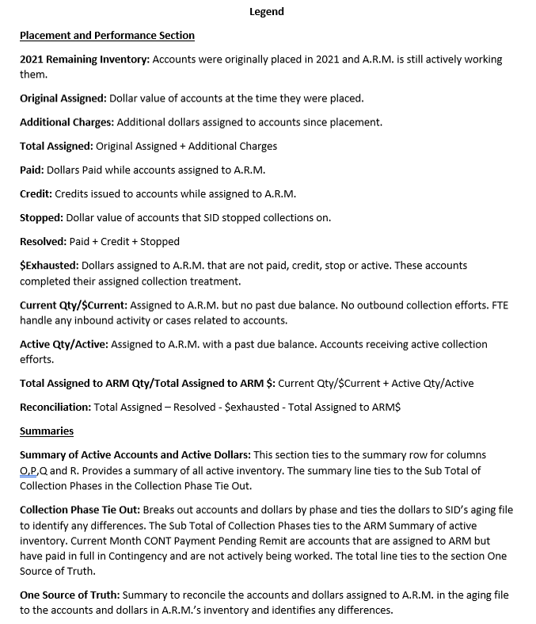
ARM SUMMARY | Accounts | Dollars
At ARM - Active in Treatment | 43666 | $43,773,053.44
At ARM - Active Current Balance | 103079 | $31,533,900.26
Summary | 146745 | $75,306,953.70

Collection Phase Tie Out | Accounts | ARM | SID Aging | Difference
1st Party | 130902 | $49,322,872.33 | $49,322,872.33 | $0.00
3rd Party Flat Fee | 10862 | $19,674,526.49 | $19,674,526.49 | $0.00
3rd Party Contingency | 4981 | $6,309,554.88 | $6,163,271.94 | -$146,282.94
Sub Total of Collection Phases | 146745 | $75,306,953.70 | $75,160,670.76 | -$146,282.94
Closed by Agency litigious | 41 | $0.00 | $51,231.75 | $51,231.75
Puerto Rico not eligible for PREC/CONT | 261 | $0.00 | $243,221.50 | $243,221.50
Written Cease & Desist | 33 | $0.00 | $23,228.13 | $23,228.13
Existing account in BK Status | 2 | $0.00 | $4,241.83 | $4,241.83
last charge date beyond the statute of limitations | 12 | $0.00 | $22,814.33 | $22,814.33
Mail Return same address | 1059 | $0.00 | $1,871,677.18 | $1,871,677.18
Closed|Deceased | 3 | $0.00 | $528.12 | $528.12
Invalid State or Zip Code | 8 | $0.00 | $40,880.57 | $40,880.57
Treatment Complete within last 14 days | 4165 | $0.00 | $2,625,859.87 | $2,625,859.87
Cease & Desist | 88 | $0.00 | $67,315.39 | $67,315.39
NB but Balance < 0 | 29205 | $0.00 | -$16,619,478.55 | -$16,619,478.55
CONT accounts PIF within last 60 days or 14 days | 26 | $0.00 | $14,857.26 | $14,857.26
1STP NB but BK within last 45 days. | 3 | $0.00 | $917.50 | $917.50
Existing account in Dispute | 1415 | $0.00 | $1,848,452.86 | $1,848,452.86
Disputed|Backup Request | 1 | $0.00 | $157.72 | $157.72
Treatment Complete| | 39 | $0.00 | $51,302.71 | $51,302.71
Closed|Bankruptcy | 1 | $0.00 | $458.88 | $458.88
Disputed|Verbal | 8 | $0.00 | $6,725.47 | $6,725.47
Closed|Client | 1426 | $0.00 | $1,093,486.70 | $1,093,486.70
Mail Return| | 15 | $0.00 | $56,626.99 | $56,626.99
Dispute| | 50 | $0.00 | $89,344.12 | $89,344.12
Total | 184606 | $75,306,953.70 | $66,654,521.09 | -$8,652,432.61

One Source of Truth | Accounts | Dollars
SID 05.17.24 Aging File | 184606 | $66,654,521.09
ARM Summary for Tie Out | 146745 | $75,160,670.76
Difference | 37861 | -$8,506,149.67

Portfolio | ABCDAlignment | Qty | Dollars
US Small Balance Portfolio | A | 131396 | $65,067,172.66
US Small Balance Portfolio | B | 196 | $518,504.92
US Small Balance Portfolio | C | 15129 | $9,664,038.90
US Small Balance Portfolio | D | 24 | $57,237.22
Total |  | 146745 | $75,306,953.70

